Simple ADDIE Model Template
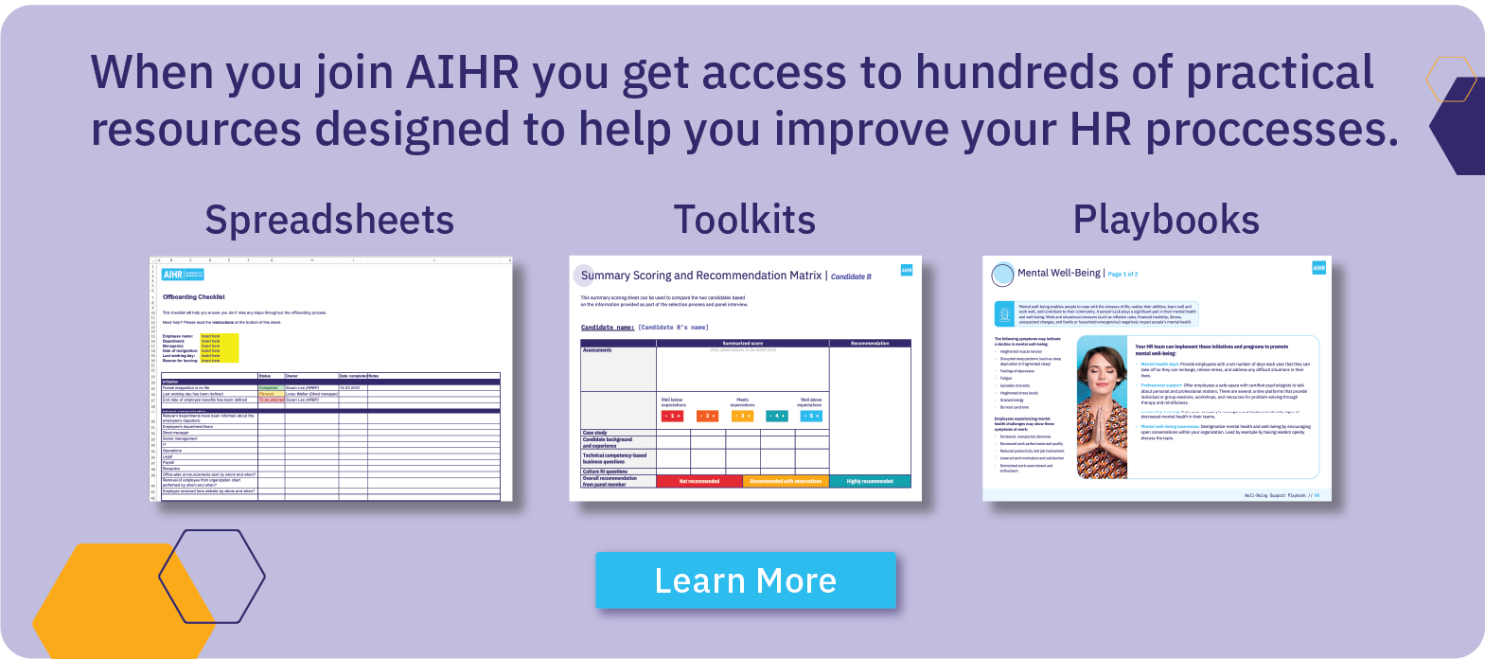
ADDIE Model Template
Instructions: 1. Fill in the objectives, tasks, and deliverables for each stage of ADDIE. 2. Update the progress.
PROJECT NAME

ADDIE stage | A | D | D | I | E
 | ANALYSIS | DESIGN | DEVELOPMENT | IMPLEMENTATION | EVALUATION
Objective | Identify the learners' needs, define the learning goals, and understand the context in which the training will occur. | Plan the instructional strategy, structure the content, and design the learning experience to meet the identified needs. | Create or assemble the instructional materials, develop the assessments based on the design specifications. | Deliver or distribute the training to the intended audience and support their learning process. | Assess the effectiveness of the training in achieving its learning objectives and identify areas for improvement.
Tasks | Identify learning objectives Assess learner characteristics Analyze content requirements Define learning environment Establish constraints | Outline the course structure Select instructional strategies Design assessments Storyboarding Plan learning activities | Create content Build assessments Test interactivity Review and revise | Prepare the learning environment Train facilitators Communicate with learners Launch the course | Gather feedback Assess learning outcomes Analyze course data Make improvements
Deliverables | Training needs analysis report Learner analysis report Environmental and resource analysis | Instructional design plan Storyboard documents Assessment strategy | Course materials Assessment tools Technical specifications | Implementation plan Facilitator guides Learner instructions | Evaluation report Lessons learned document Recommendations for future iterations
Progress | 50% | 0% | 0% | 0% | 0%

